底棲圖示
NO.
5 | Adelosian sp.
54 | Alliatinella sp.
31 | Ammomassilina sp.
6 | Ammonia sp.
70 | Ammoscalaria sp.
73 | Ammosphaeroidina sp.
28 | Amphicoryna sp.
50 | Amphistegina sp.
12 | Anomalinoides sp.
51 | Astacolus sp.
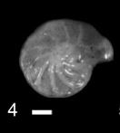
11 | Astrononion sp.
87 | Anomalinella sp.
117 | Aschemonella sp.
123 | Ammobaculites sp.
77 | Bigenerina sp.
2 | Bolivina sp.
14 | Bolivinita sp.
8 | Bulimina sp.
113 | Bucella sp.
115 | Brizalina sp.
129 | Biliculinella sp.
34 | Cancris sp.
17 | Chilostomella sp.
1 | Cibicides sp.
72 | Clavulina sp.
36 | Cribroelphidium sp.
25 | Cribrostomoides sp.
89 | Cassidulina sp
114 | Cymbaloporetta sp.
61 | Discorbinella sp.
46 | Elphildium sp.
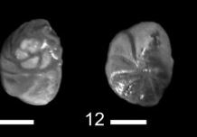
62 | Epistominella sp.
88 | Eponides sp.
68 | Fursenkoina sp.
93 | Fissurina sp.
132 | Fissuripolymorphina sp.
65 | Gaudryina sp.
63 | Geminospira sp.
29 | Gavelinopsis sp.
64 | Glandulina sp.
60 | Globobulimina sp.
27 | Glomospira sp.
4 | Guttlina sp.
15 | Gyrodina sp.
35 | Hanzawaia sp.
26 | Haplophragmoides sp.
55 | Haynesina sp.
47 | Heterolepa sp.
108 | Hemirdoulina sp.
119 | Heterostegina sp.
69 | Islandiella sp.
30 | Kerrerulina sp.
52 | Labatula sp.
24 | Laevidentalina sp.
80 | Laryngosigma sp
23 | Legena sp.
9 | Lenticulina sp.
78 | Lituola sp.
127 | Logenosolenia sp.
79 | Martinotiella sp.
57 | Melonis sp.
44 | Miliolinella sp.
91 | Murrayinella sp.
101 | Marginulina sp.
103 | Maliammina sp.
122 | Marginulina sp.
71 | Neocassidulina sp.
10 | Neolenticulina sp.
13 | Nonion sp.
58 | Nonionella sp.
109 | Nodosaria sp.
116 | Neoeponides sp.
66 | Oolina sp.
56 | Oridorsalis sp.
83 | Operculina sp.
82 | Pararotalia sp.
39 | Planogypsina sp.
37 | Protelphidium sp.
18 | Pseudorortalia sp.
38 | Pullenia sp.
48 | Pyrgo sp.
94 | Pyramidulina sp.
95 | Pseudomasslina sp.
95 | Pseudomasslina sp.
100 | Procerolagena sp.
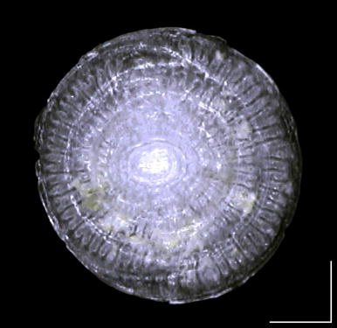
102 | Pseudogaudryina sp.
112 | Peneroplis sp.
120 | Patellina sp.
131 | Pileolina sp.
3 | Qinqueloculina sp.
21 | Rectobolivina sp.
16 | Reophax sp.
20 | Rhabdammina sp.
41 | Rhaptohelenina sp.
19 | Rhizammina sp.
40 | Rosalina sp.
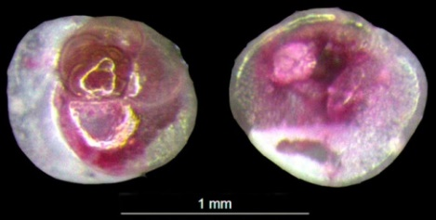
118 | Rhizammina sp.
121 | Rosalina globularis
130 | Robertinoides sp.
7 | Rotalia sp.
85 | Reussella sp.
59 | Saracenaria sp.
33 | Sigmoilopsis sp.
22 | Siphogenerina sp.
76 | Siphotextularia sp.
43 | Spiroloculina sp.
74 | Spiroplectinella sp.
81 | Sphaeroides sp.
67 | Stainforthia sp.
53 | Strebloides sp.
90 | Sphaerogypsina sp.
92 | Sigmoidella sp.
110 | Saividona sp.
111 | Sagrinella sp.
128 | Svratkina sp.
75 | Textulina sp.
32 | Trochammina sp.
42 | Troculina sp.
86 | Triocularena sp.
84 | Trifarina sp.
49 | Univergina sp.
45 | Valvulineria sp.

